Options
Excel Mid Level Test

 |  |  |  | ** Please Select Appropriate Options (A,B,C,D) from the below Questions. |  | Marks | Obtained
 |  |  |  |  | Name:-

1. What is the keyboard shortcut key to lock cell references in a formula?* |  |  |  |  |  | 1
A | CTRL
B | ALT | Answer | D
C | F2
D | F4

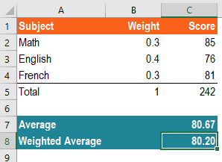
2. Which of the following is the correct formula to calculate the weighted average score in cell C8 as shown below?* |  |  |  |  |  | 1
A | =SUMPRODUCT(C2:C5,B2:B5)
B | =SUMPRODUCT(C2:C4,B2:B4)
C | =AVERAGE(B2:B4)
D | =AVERAGE(C2:C4)

Answer | B

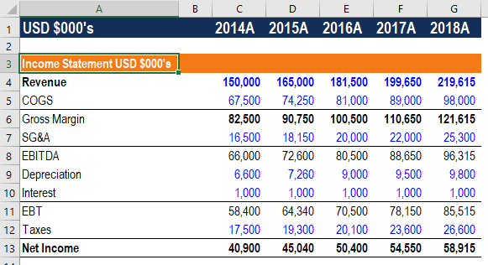
3. What formula should be entered in cell A3 to display the results as shown below?* |  |  |  |  |  | 1
A | ="Income Statement"&A1
B | ="Income Statement "&A1
C | ="Income Statement "+A1
D | ="Income Statement "&"A1"

Answer | B

4. What formula can be used in cell G2 to create a dynamic date which shows the last day of each month?* |  |  |  |  |  | 1
A | =EOMONTH($B$2,B1)
B | =EOMONTH($B$2,G1)
C | =EOMONTH($B$2,C1)
D | =MONTH($G$2)

Answer | A

Formulas
EXCEL : ADVANCE FORMULA TEST

DATE | NAME | SALE | DESCRIPTION | 5. Which quarter does this transaction belong to (Q1, Q2, Q3 or Q4)? | 6. What text is contained between [ ] | 7. Where does this transaction rank for this trader's SALES (1 = highest)? | 8. What percentage is this sale for all those made in the same year?
2012-12-31 | SARAH | $1,022.00 | wefdjwke wjhdfw wk[e]dw | Q4 | e | 4 | 8.00
2012-12-25 | DAVID | $1,046.00 | f fwlk fw[ke];'f | Q4 | ke | 2 | 8.18
2013-08-11 | JAMES | $938.00 | whjef[dw wef;]lf wl;e | Q3 | dw wef; | 17 | 8.12
2012-11-03 | DAVID | $929.00 | wefklef;[w w]fe#'# | Q4 | w w | 20 | 7.27
2013-12-23 | SARAH | $929.00 | sd [ksdlf ]wlef | Q4 | ksdlf | 20 | 8.04
2012-06-14 | JAMES | $993.00 | wefklef;[w w]fe#'# | Q2 | w w | 10 | 7.77
2012-04-25 | JAMES | $1,048.00 | ws[ md,m] wof | Q2 | md,m | 1 | 8.20
2012-10-26 | JAMES | $942.00 | awefrwef [wq;le] wl;ef | Q4 | wq;le | 16 | 7.37
2013-05-13 | JAMES | $906.00 | wefdjwke wjhdfw wk[e]dw | Q2 | e | 25 | 7.84
2012-06-28 | SARAH | $931.00 | f fwlk fw[ke];'f | Q2 | ke | 19 | 7.28
2012-10-25 | DAVID | $1,038.00 | sdn[bfn wbjkfn wn]mrefn | Q4 | bfn wbjkfn wn | 3 | 8.12
2012-08-22 | JAMES | $1,004.00 | WSDEV[_ ]ASSJD | Q3 | _ | 9 | 7.86
2012-07-11 | SARAH | $965.00 | awefrwef [wq;le] wl;ef | Q3 | wq;le | 13 | 7.55
2013-05-22 | SARAH | $1,010.00 | ws[ md,m] wof | Q2 | md,m | 8 | 8.74
2013-01-05 | SARAH | $924.00 | eje[w ewrjfke kwjreff sd]ns | Q1 | w ewrjfke kwjreff sd | 23 | 8.00
2013-11-18 | SARAH | $911.00 | wefw we[fkk,l wk]e | Q4 | fkk,l wk | 24 | 7.89
2013-06-14 | DAVID | $989.00 | [wefl] we;fl''l ;#wfe | Q2 | wefl | 11 | 8.56
2012-09-22 | JAMES | $978.00 | bwdes[d w]efj | Q3 | d w | 12 | 7.65
2012-07-04 | SARAH | $957.00 | WSDEV[_ ]ASSJD | Q3 | _ | 15 | 7.49
2013-08-22 | SARAH | $1,021.00 | ws[ md,m] wof | Q3 | md,m | 5 | 8.84
2012-04-07 | DAVID | $928.00 | wefklef;[w w]fe#'# | Q2 | w w | 22 | 7.26
2013-06-03 | SARAH | $933.00 | wffe wfekl;f w[l l]wekf;w | Q2 | l l | 18 | 8.08
2013-12-19 | DAVID | $1,013.00 | bwdes[d w]efj | Q4 | d w | 7 | 8.77
2013-11-27 | JAMES | $1,021.00 | wefw we[fkk,l wk]e | Q4 | fkk,l wk | 5 | 8.84
2013-07-29 | DAVID | $958.00 | cwf[e;mf wflef];wl | Q3 | e;mf wflef | 14 | 8.29

9. Amount sold by trader for each year.
NAME | DAVID | JAMES | SARAH
2012 | $3,941.00 | $4,965.00 | $3,875.00
2013 | $2,960.00 | $2,865.00 | $5,728.00
2014 | $- | $- | $-
 | £6,901.00 | £7,830.00 | £9,603.00
10. Percentage of quarter's sales made by each trader.
NAME | DAVID | JAMES | SARAH
Q1 | 0.00 | 0.00 | 100.00 | 924
Q2 | 24.77 | 38.08 | 37.14 | 7738
Q3 | 14.04 | 42.81 | 43.15 | 6821
Q4 | 45.49 | 22.18 | 32.34 | 8851

